TM
Descriptions # Comments | Issues | Why this is an issue/Recommendations
1 | Running the whole game inside jupyter notebook environment | I would suggest this be a .py script instead of ipynb since jupyter can sometimes have weird interaction with scripting language and this can be your lab manual where everything is explained and properly annotated
2 | Inside the jupyter notebbok environment line 6-8: Using global variable without consider it could be mess with by running jupyter multiple time. | I would avoid global. current_room_index should be passed in or handled via somesort of a Gamehandle script consider encapsulating all game state (character, rooms, current room) in one class.
3 | Line 10-13 in jupyter notebook. Is: if not character.lives(): print(f"{character.name} has been slain...") | Consider moving this check to the end of the loop to allow one last action before confirming death, like view inventory, use an item, or even retreat.
4 | Lines 14-17 in jupyter notebook. Is: print(f"\nYou are currently in Room...") rooms[current_room_index].visit(...) | Consider passing the current room explicitly to visit() if you want to break away from the index logic. (Suggestion)
5 | Lines 21-32 in jupyter notebook. Is: action_choice = input(...) | those repeated print() calls can be inside a generator like a menu class. Use a dictionary to map these example: actions = { '1': lambda: rooms[current_room_index].search_room(character), '2': next_room, ... }
6 | Lines 40-50 in jupyter notebook. Is: if use_item_choice == 'y' or use_item_choice == 'yes': | This have repeated inventory access logic, you could extract a helper function like use_item_menu(character)
7 |  | This have a duplicated logic with item.use() that already handling this in the Item. You could just call item.use(self) and let it manage itself. Fix: Simply call the function use_item() def use_item(self, item): item.use(self) self.inventory.remove_item(item) Then move item-type-specific conditions into something like Item.use() if needed.
8 |  | 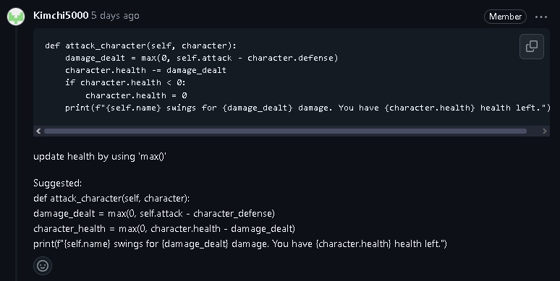 So a classmate commented on this section but I wanted to add more into it just a cherry on top. I like to add something as well on this logic, right now directly changing character.health the game currently bypasses the defense logic. My recommendation for this would be: character.takes_damage(self.attack)
9 |  | Could move line 72 into a function. This could be moved to enemy.intro_text() for extensibility
10 |  | This current_room_index += 1; was never defined anywhere in the scope or passed to encounter_enemy. This will throw us a NameError. This come back to your global variable naming in room.py, I would prioritize this fix. Recommendation: Either pass it into encounter_enemy() as a parameter. Or Track the room progression in a game control class and avoid modifying it from inside this script.
11 |  | Follow what previous classmate have said about nested if else. This scope also have a problem. The issue is that Item with unknown item_type will quitely fails without any feedback. This could be hard to detect either a data or logic error would corrupt the gameplay. Fix: adding this print(f"Warning: Unhandled item type '{self.item_type}' for {self.name}")
12 | Same as above. | Repeated print() logic this could be move to a function like describe_item() or better formatting by using logging as an alternative. Too much information that would lead to decrease in readability I would also recommend clearing the console after certain print() for readability
13 |  | shield have a missing closing quote. Is: ("Wall Panel", 'shield, 0, 0, 3') Fix: ("Wall Panel", 'shield', 0, 0, 3)
14 |  | There is a big issue about this, the item generation logic duplicated for both small and large loot. Which is repetitive, and prone to bug. I would have make a helper method in Item class: Fix: @classmethod def from_loot_data(cls, data, size): return cls(data[0], size, data[1], effect=data[2], heal=data[2], attack=data[3], defense=data[4]) Then replace: loot_item = Item.from_loot_data(loot_item_data, 'small')
15 | Lack of comments and a simple lab manual | Use the jupyter notebook for the lab manual where you explain sections of code. Rather than use it as a script to tie everything together. Jupyter notebook can mess up many variable.

